Sheet1
I'm planning a system that will live at a new page of
/karma
the page will be in (protected) route group
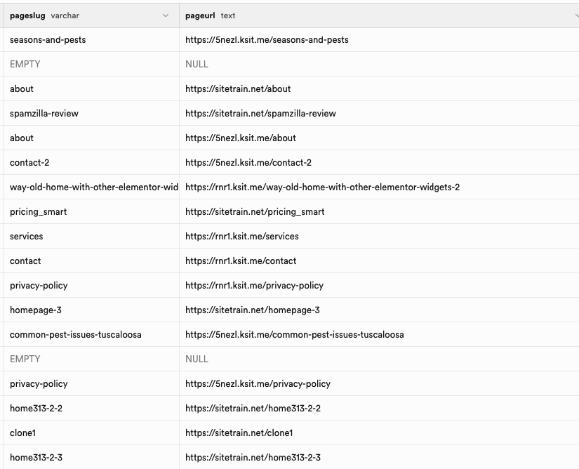

here is a basic overview

———————————————————————

need new db table named
karma_wizard_sessions

session_id | serial
session_name | text
rel_gcon_piece_id | fk to gcon_pieces.id
cached_sitespren_base_note | text
steps_completed
step_left_off_at
user_id (fk to users.id)
created_at | timestamp
updated_at | timestamp

and more fields (please suggest the schema we need)

———————————————————————

how it will work:

———————————————————————
page 1
/karmajar

this is a main management page that will show a large ui table grid displaying all columns of db data, full pagination controls, search, etc.

it is mostly for displaying the contents of our new db table(s) related to this system

———————————————————————

/karmawiz

this is a wizard page where user will go through steps that appear in url parameter

so there will be url params on the page like

/karmawiz?step=1
/karmawiz?step=2
/karmawiz?step=3
/karmawiz?step=4

we will also have this url param
/karmawiz?wizsession=158

the order of params will always appear like this
/karmawiz?wizsession=158&step=1

———————————————————————
on the page of
/karmawiz
when visited with no url parameters
user can click "create new karma wizard session"
then they can enter an id number for the gcon piece id
(db schema gcon_pieces.id is what it represents)

that info will be stored in the rel_gcon_piece_id foreign key field obviously and a new session will be created

———————————————————————
note on broad scope purpose:

the general purpose of the system is to allow the user to work on a specific page/post (row item from gcon_pieces db table) and
fetch info about the existing page, generate images through api key systems, and then upload the images to wp and update the page's code to reference the images

we will work on this stuff in subsequent steps fo the wizard - no need to implement any code about this yet

for now, we must work on the basic framework of the pages, db table(s), etc

pleaes tell me what you think about this idea

please just answer and do not change any of our code right now. we are still in planning phase. We must discuss . Please provde suggested db table and field names etc also

———————————————————————

/karma

gcon_pieces.id

/karma?site=flintpestcontrol.net

/karma?wizsession=158

/karma?step=1
/karma?step=2
/karma?step=3
/karma?step=4

wizardsessioninstance

veyramarketing.com
beamraymarketing.com

pageslug | pageurl
seasons-and-pests | https://5nezl.ksit.me/seasons-and-pests
EMPTY | NULL
about | https://sitetrain.net/about
spamzilla-review | https://sitetrain.net/spamzilla-review
about | https://5nezl.ksit.me/about
contact-2 | https://5nezl.ksit.me/contact-2
way-old-home-with-other-elementor-wid | https://rmr1.ksit.me/way-old-home-with-other-elementor-widgets-2
pricing_smart | https://sitetrain.net/pricing_smart
services | https://rmr1.ksit.me/services
contact | https://rmr1.ksit.me/contact
privacy-policy | https://rmr1.ksit.me/privacy-policy
homepage-3 | https://sitetrain.net/homepage-3
common-pest-issues-tuscaloosa | https://5nezl.ksit.me/common-pest-issues-tuscaloosa
EMPTY | NULL
privacy-policy | https://5nezl.ksit.me/privacy-policy
home313-2-2 | https://sitetrain.net/home313-2-2
clone1 | https://sitetrain.net/clone1
home313-2-3 | https://sitetrain.net/home313-2-3

https://sitetrain.net/spamzilla-review

fields to use for matching

pageslug | pageurl
seasons-and-pests | https://5nezl.ksit.me/seasons-and-pests
EMPTY | NULL
about | https://sitetrain.net/about
spamzilla-review | https://sitetrain.net/spamzilla-review
about | https://5nezl.ksit.me/about
contact-2 | https://5nezl.ksit.me/contact-2

g_post_id

https://flintpestcontrol.net/bed-bugs-control/
https://flintpestcontrol.net/wp-admin/post.php?post=826&action=edit
https://flintpestcontrol.net/wp-admin/post.php?post=826&action=elementor

https://flintpestcontrol.net/bed-bugs-control/
https://flintpestcontrol.net/wp-admin/post.php?post=826&action=edit
https://flintpestcontrol.net/wp-admin/post.php?post=826&action=elementor

https://airductcharleston.com/bed-bugs-control/
https://airductcharleston.com/wp-admin/post.php?post=826&action=edit
https://airductcharleston.com/wp-admin/post.php?post=826&action=elementor

please add a new piece of bold label text below the enter_url box that says:

found from wp post id: gcon_pieces.g_post_id (corresponds to wp_posts.post_id)
then have a text input box which says "None found" by default

then please add a new piece of bold label text below that that says:

found from gcon_pieces.pageslug (corresponds to wp_posts.post_name)
then have a text input box which says "None found" by default

pageurl

pleaes now create the matching function called:
SilverFunctionDetectGconRowFromRawURLs

this will be in the backend and allow user to:
paste any url like this in the enter_url box:

https://airductcharleston.com/bed-bugs-control/
https://airductcharleston.com/wp-admin/post.php?post=826&action=edit
https://airductcharleston.com/wp-admin/post.php?post=826&action=elementor

our function will:
find the post id like "826"
or find the url like:
/bed-bugs-control/

it will then look in db table gcon_pieces (only looking in db rows that matche the currently logged in user to the fk_user… id field in the gcon_pieces db table)

and it will look for matches between these 2 things and the db column of:
g_post_id
and
pageslug

then it will show in the other 2 boxes any matches it finds in format like this:
(g_post_id) - (pageslug) - (pageurl) - (meta_title)

so it will display this data badge composed of multiple db columns from the matching gcon_pieces row

other key exploratory areas

/sitejar4 chepno functions inside popup

